MSW HK
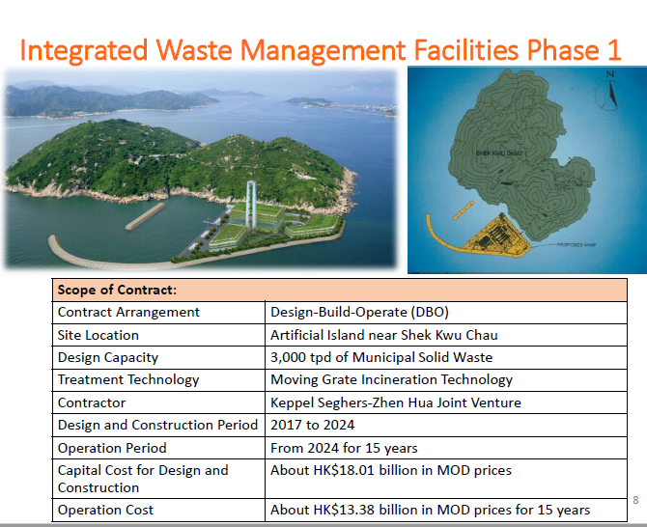
 |  |  |  |  |  |  | construction | 12.522 | billion HKD | 2012 price | excahneg rate | 0.1276
 |  |  |  |  |  |  | Operation | 0.612 | billion HKD/year | 2012 price

 |  |  |  |  |  |  | construction | 1.598 | billion USD
 |  |  |  |  |  |  | Operation | 0.078 | billion USD/year

 |  |  |  |  |  |  | capacity | 165 | MW

https://www.legco.gov.hk/yr13-14/english/fc/pwsc/papers/p14-07e.pdf
ITEM FOR PUBLIC WORKS SUBCOMMITTEE OF FINANCE COMMITTEE

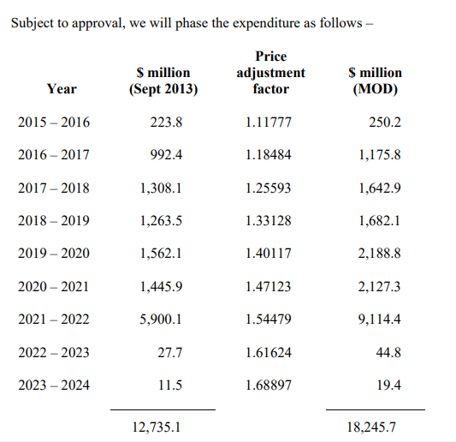
We estimate the capital cost of the proposed works to be $18,245.7 million in MOD prices (please see paragraph 13 below), broken down as follows –
 |  |  |  |  | $ million
(a) Reclamation and civil works |  |  |  |  | 2,434.4 | Construction
(i) Seawall, reclamation and berth |  |  |  |  | 1,081.6
(ii) Breakwaters |  |  |  |  | 904.7
(iii) Civil and foundation works |  |  |  |  | 448.1
(b) Building and architectural works |  |  |  |  | 1,139.1 | Construction
(i) Incineration plant building |  |  |  |  | 843.7
(ii) Mechanical plant building |  |  |  |  | 125.2
(iii) Associated buildings |  |  |  |  | 83.7
(iv) Landscaping |  |  |  |  | 86.5
(c) Mechanical and electrical works for incineration |  |  |  |  | 6,407.2 | Construction
(i) Waste receiving facilities |  |  |  |  | 369.0
(ii) Waste incinerators |  |  |  |  | 932.0
(iii) Boilers of waste heat recovery system |  |  |  |  | 1,171.1
(iv) Steam turbines, generators and condensers of waste heat recovery system |  |  |  |  | 850.9
(v) Flue gas treatment facilities |  |  |  |  | 948.9
(vi) Ash treatment facilities |  |  |  |  | 439.9
(vii) Associated electrical works |  |  |  |  | 854.7
(viii) Instrumentation and control works |  |  |  |  | 319.9
(ix) Miscellaneous installations |  |  |  |  | 520.8
(d) Mechanical and electrical works for other associated facilities |  |  |  |  | 311.4 | Construction
(e) Power connection, substation, associated facilities and installations of the power export system |  |  |  |  | 774.3 | Construction
(f) Transportation supporting facilities |  |  |  |  | 277.3 | Construction
(g) Mitigation measures and EM&A for construction work |  |  |  |  | 127.0 | Construction
(h) Consultants’ fees for |  |  |  |  | 52.9 | Construction
(i)contract administration |  |  |  |  | 37.4
(ii)management of resident site staff |  |  |  |  | 15.5
(i) Remuneration of resident site staff |  |  |  |  | 159.1 | Construction
(j) Contingencies |  |  |  |  | 1,052.4 | Construction
Sub-total 12,735.1 (in September 2013 prices) |  |  |  |  | 12,735.1
(k) Provision for price adjustment |  |  |  |  | 5,510.6
Total (in MOD prices) |  |  |  |  | 18,245.7
Sub-total in 2012 price |  |  |  |  | 12521.588247

We adjust 2013 HKD to 2012 HKD using the following conversion factor:
0.9832343874
At current market prices |  |  | In chained (2012) dollars
2012 GDP | 2013 GDP |  | 2012 GDP | 2013 GDP
2,037,059 | 2,131,804 |  | 2,037,059 | 2,096,063

We estimate that the annual recurrent expenditure arising from the IWMF phase 1 to be about $402 million. The fees and charges implication arising from the project will be considered in the context of waste charging discussion.
402 | million | per year
In the waste treatment process, the energy recovered will generate electricity for the use of IWMF phase 1. We plan to export the surplus electricity of about 480 million kWh2 .
480 | million KWH

